UCBenetton
SKU | IMGAGE | COLLECTION | QTY | DETAILS | Retail Price | Wholesale Price
8BBBWNESTB3301 |  | BLOW_SOFT | 234 | 3pcs SET | 354.00 € | 130.00 €
8BBBWNESTW5001 |  | BLOW_SOFT | 245 | 3pcs SET | 354.00 € | 130.00 € | 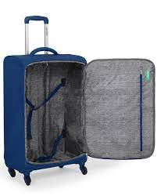
8BBBWNESTY0201 |  | BLOW_SOFT | 25 | 3pcs SET | 354.00 € | 130.00 €
8BBKNNESTD6601 |  | KNIT | 129 | 2pcs SET | 439.00 € | 162.00 €
8BBKNNESTG0301 |  | KNIT | 116 | 2pcs SET | 439.00 € | 162.00 €
8BBKNNESTN0201 |  | KNIT | 92 | 2pcs SET | 439.00 € | 162.00 €
8BBKNNESTY0201 |  | KNIT | 147 | 2pcs SET | 439.00 € | 162.00 €
8BBUCNESTF4801 |  | UCB | 127 | 3pcs SET | 428.00 € | 158.00 €
8BBUCNESTR2801 |  | UCB | 99 | 3pcs SET | 428.00 € | 158.00 €
8BBULNESTG9401 |  | ULTRA LOGO | 15 | 3pcs SET | 510.00 € | 189.00 €
9BBCONESTB33 |  | COCOON | 398 | 3pcs SET | 428.00 € | 158.00 €
9BBCONESTW50 |  | COCOON | 678 | 3pcs SET | 428.00 € | 158.00 €
 |  |  | 2305

